PT SUPARMA JAYA TBK
DATE | INV NO. | DESCRIPTIONS | AMOUNT | BILLS | PRICE | TOTAL
7-Nov-2025 | SO05LC2511000989/00 | SEE-U HTM DE/ ECONO RED | 40 | 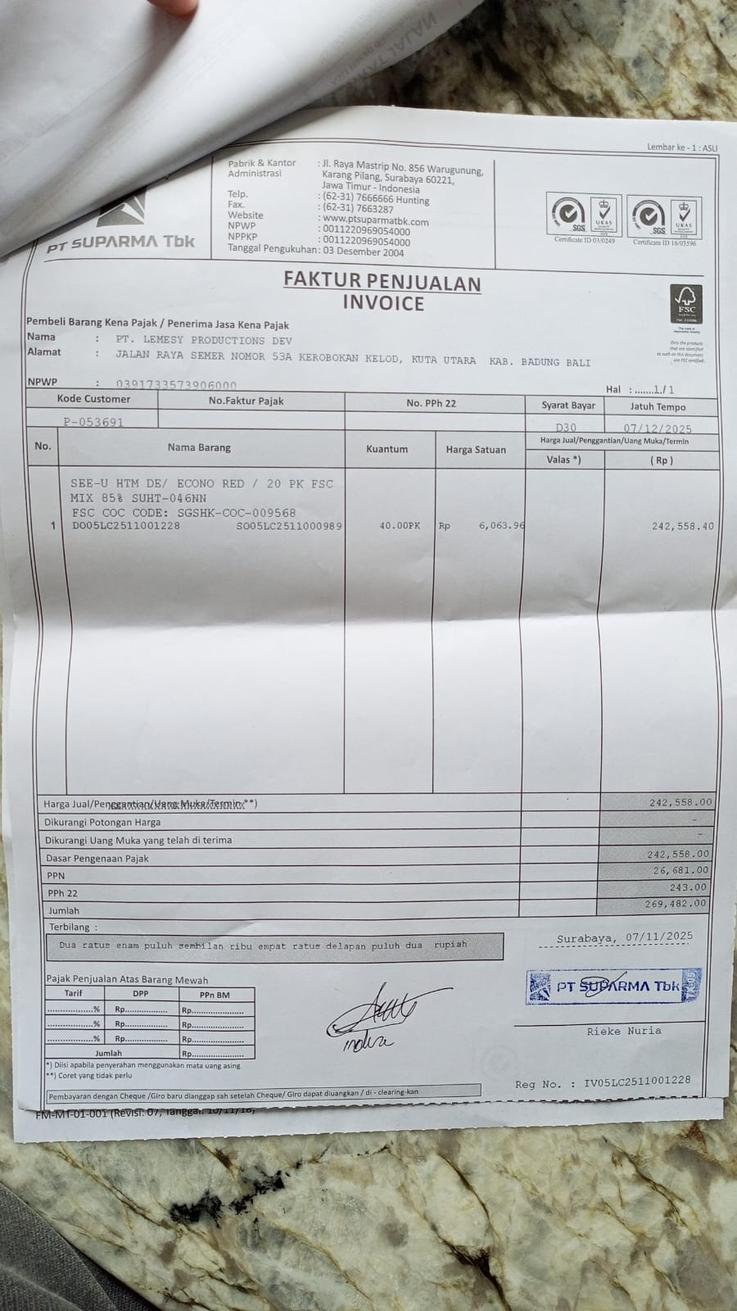 | IDR 6,064 | 242,558

 | SALES PRICE |  |  |  |  | Rp242,558
 | PPN |  |  |  |  | Rp26,681
 | PPh 22 |  |  |  |  | Rp243.00
 | TOTAL |  |  |  |  | Rp269,482

 | SALES PRICE |  |  |  |  | Rp-
 | PPN
 | PPh 22
 | TOTAL |  |  |  |  | Rp-
GRAND TOTAL |  |  |  | Rp269,482

